Special Notes
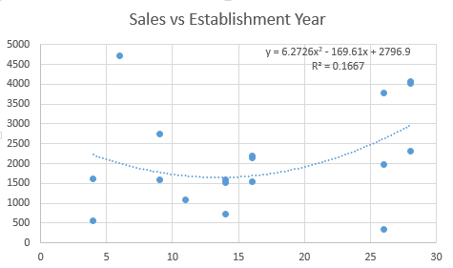
Normal regression gives you unbiased regression coefficients (maximum likelihood estimates "as observed in the data-set").
Ridge and lasso regression allow you to regularize ("shrink") coefficients. This means that the estimated coefficients are pushed towards 0, to make them work better on new data-sets ("optimized for prediction"). This allows you to use complex models and avoid over-fitting at the same time.
For both ridge and lasso you have to set a so-called "meta-parameter" that defines how aggressive regularization is performed. Meta-parameters are usually chosen by cross-validation. For Ridge regression the meta-parameter is often called "alpha" or "L2"; it simply defines regularization strength. For LASSO the meta-parameter is often called "lambda", or "L1". In contrast to Ridge, the LASSO regularization will actually set less-important predictors to 0 and help you with choosing the predictors that can be left out of the model. The two methods are combined in "Elastic Net" Regularization. Here, both parameters can be set, with "L2" defining regularization strength and "L1" the desired sparseness of results.
https://www.analyticsvidhya.com/blog/2017/06/a-comprehensive-guide-for-linear-ridge-and-lasso-regression/
Polynomial regression is another form of regression in which the maximum power of the independent variable is more than 1. In this regression technique, the best fit line is not a straight line instead it is in the form of a curve.
Quadratic regression, or regression with second order polynomial, is given by the following equation:
Y =Θ₁ +Θ₂*x +Θ₃*x²
Now take a look at the plot given below.
how can we overcome Overfitting for a regression model?
Basically there are two methods to overcome overfitting,
1. Reduce the model complexity
2. Regularization
To Reduce the magnitued of coefficients in our model, we have different types of regression techniques, which uses regularization to overcome this problem.
Heteroscedasticity is a hard word to pronounce, but it doesn't need to be a difficult concept to understand. Put simply, heteroscedasticity (also spelled heteroskedasticity) refers to the circumstance in which the variability of a variable is unequal across the range of values of a second variable that predicts it.
LASSO: Least Absolute Shrinkage and Selection Operator
L1-Norm: (sum absolute coeﬃcient values)
L2- Norm: (sum squared coeﬃcient values)

Metrics of Predictions

Mean Absolute Error | MAE |  | The Mean Absolute Error (or MAE) is the sum of the absolute diﬀerences between predictions and actual values. It gives an idea of how wrong the predictions were. The measure gives an idea of the magnitude of the error, but no idea of the direction | scoring = 'neg_mean_absolute_error'
Mean Square Error | RMSE | Root Mean Square Error | The Mean Squared Error (or MSE) is much like the mean absolute error in that it provides a gross idea of the magnitude of error. Taking the square root of the mean squared error converts the units back to the original units of the output variable and can be meaningful for description and presentation | scoring = 'neg_mean_squared_error'
R2 | R-squared | coefficient of determination | The R2 (or R Squared) metric provides an indication of the goodness of ﬁt of a set of predictions to the actual values. In statistical literature this measure is called the coeﬃcient of determination | scoring = 'r2'

R |  | Correlation Coefficient | R can have any value between -1 and 1. A negative value of R simply means that the best fit straight line slants downwards moving left to right, rather than upwards. The closer R is to either the of the two extremes, the better the fit of the data points to the line, with either -1 or 1 being a perfect fit and an R value of zero meaning that there is no fit and the points are totally random

Preprocessing
Missing Values: https://machinelearningmastery.com/handle-missing-data-python/
How to mark missing values in a dataset as numpy.nan.
How to remove rows from the dataset that contain missing values.
How to replace missing values with sensible values.

